Transaction Summary
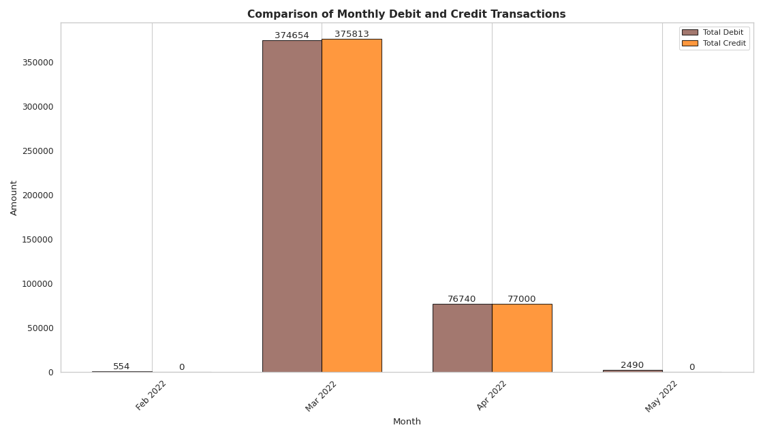
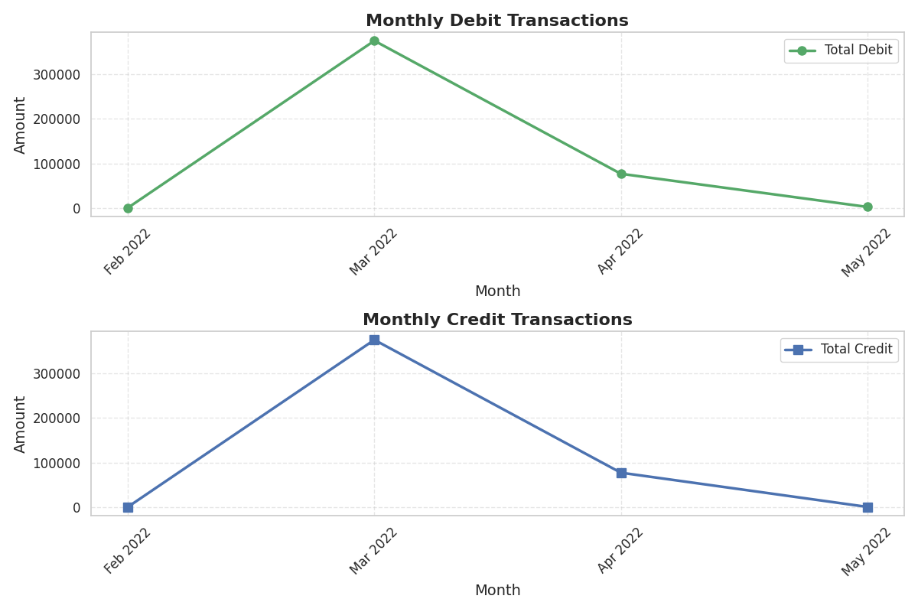
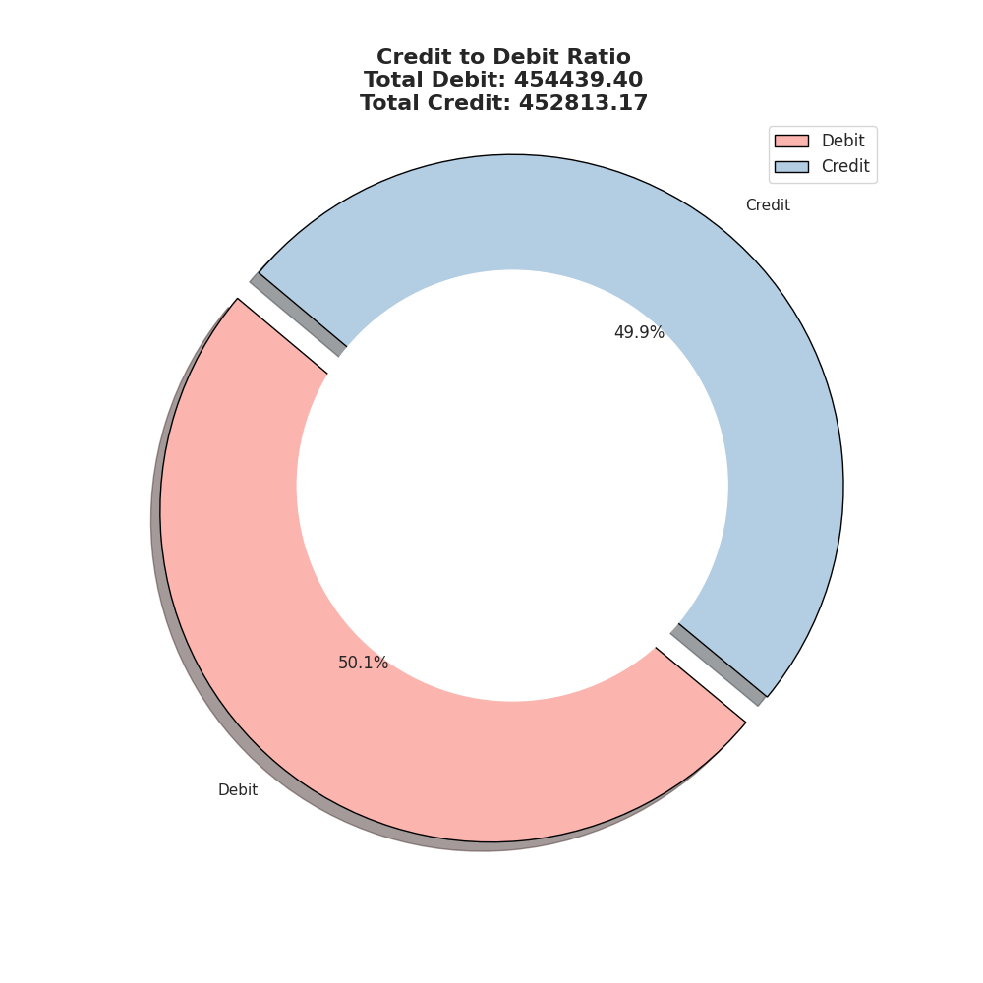
Month | Feb 2022 | Mar 2022 | Apr 2022 | May 2022 | Total
Total No. of Debit Transactions | 6.00 | 63.00 | 24.00 | 8.00 | 101.00
Total Amt. of Debit Transactions | 554.00 | 374,654.45 | 76,740.72 | 2,490.23 | 454,439.40
Total No. of Credit Transactions | 0.00 | 10.00 | 5.00 | 0.00 | 15.00
Total Amt. of Credit Transactions | 0.00 | 375,813.17 | 77,000.00 | 0.00 | 452,813.17
Max Debit Amount | 280.00 | 230,000.00 | 74,000.00 | 903.00 | 305,183.00
Max Credit Amount |  | 232,650.00 | 74,300.00 |  | 306,950.00
Debit:Credit Ratio |  | 1.00 | 1.00 |  | 1.00
Positivity (Credit > Debit) | No | Yes | Yes | No | No

Count of Transactions
Amount of Transactions

Balance Trends
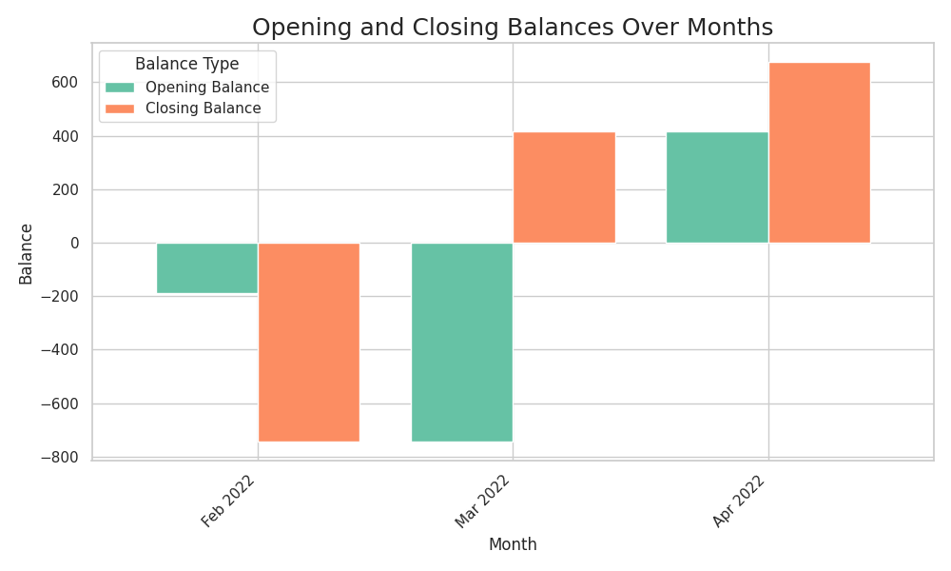
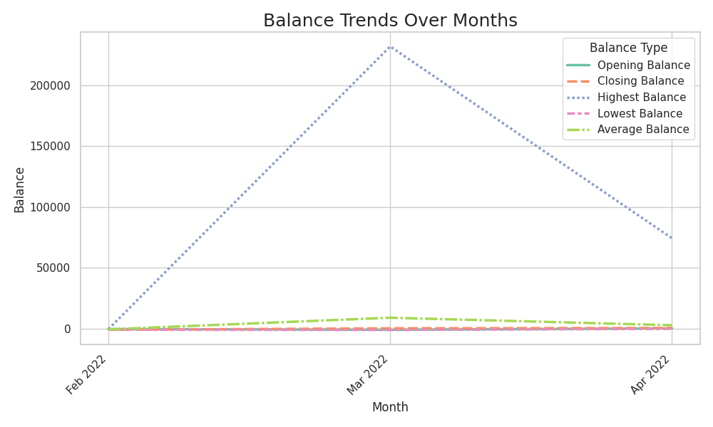
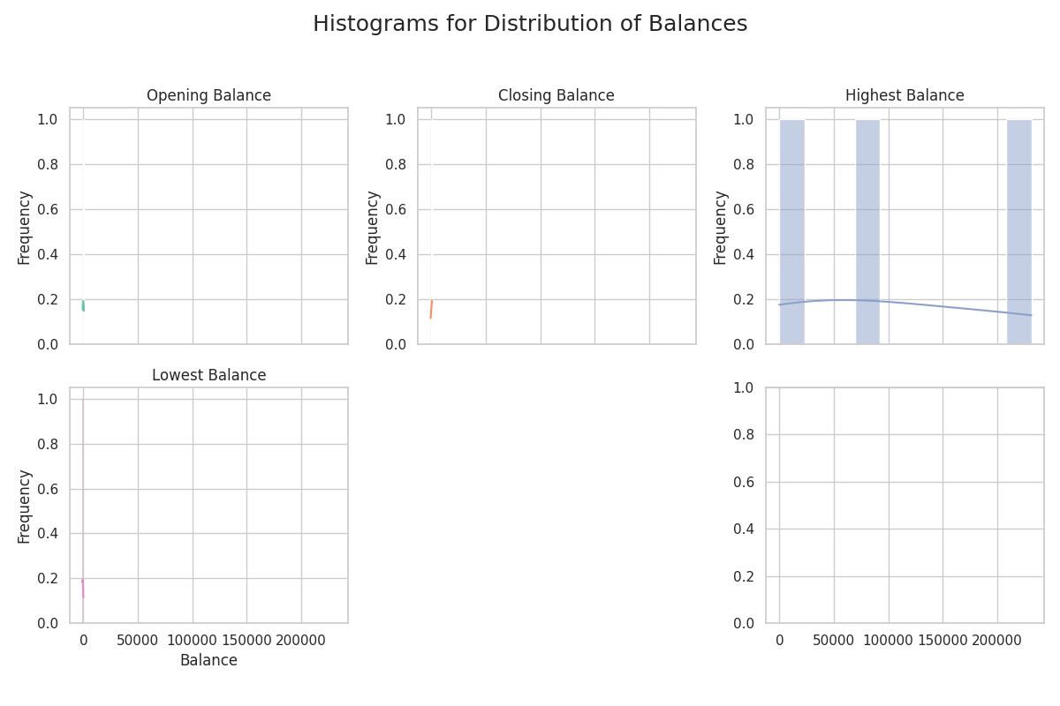
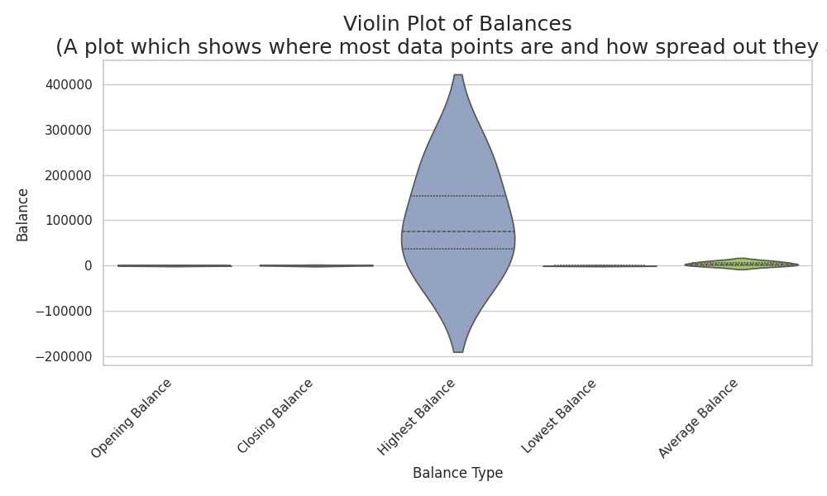
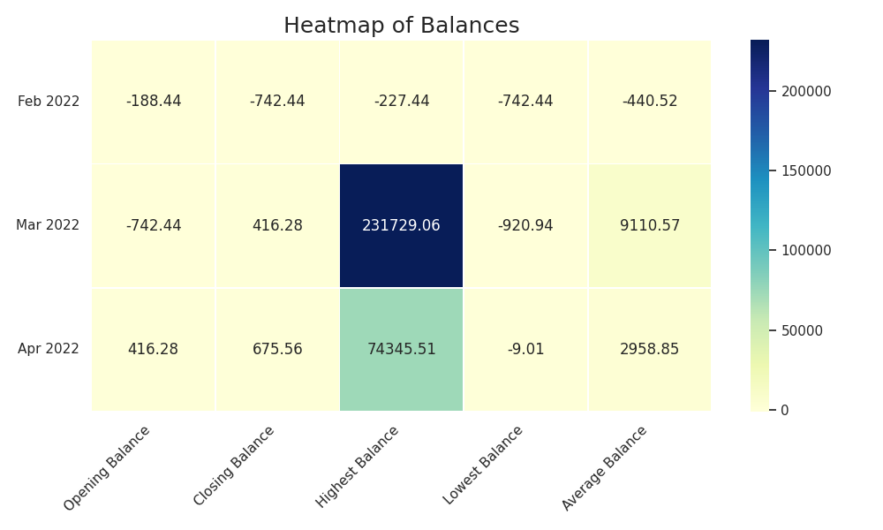
Month | Feb 2022 | Mar 2022 | Apr 2022 | May 2022 | Total
Opening Balance | (188.44) | (742.44) | 416.28 | 675.56 | 160.96
Closing Balance | (742.44) | 416.28 | 675.56 | 0.33 | 349.73
Highest Balance | (227.44) | 231,729.06 | 74,345.51 | 596.02 | 306,443.15
Lowest Balance | (742.44) | (920.94) | (9.01) | (11.67) | (1,684.06)
Average Balance | (440.52) | 9,110.57 | 2,958.85 | 220.00 | 11,848.90
Monthly Percent Change | 293.99 | (156.07) | 62.29 | (99.95) | 117.28

Monthly Average Balance

