Transaction Summary
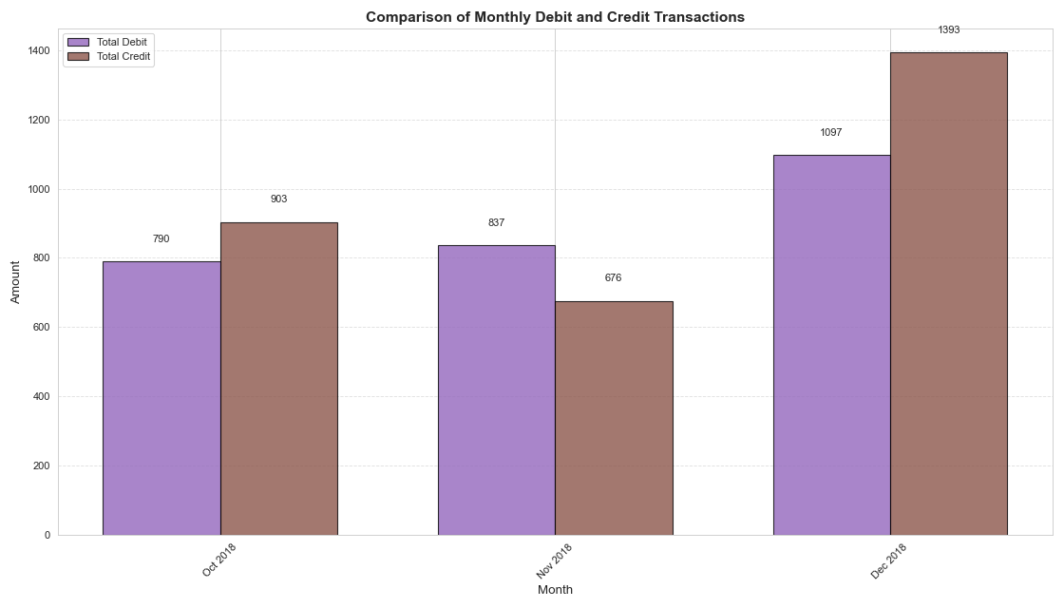
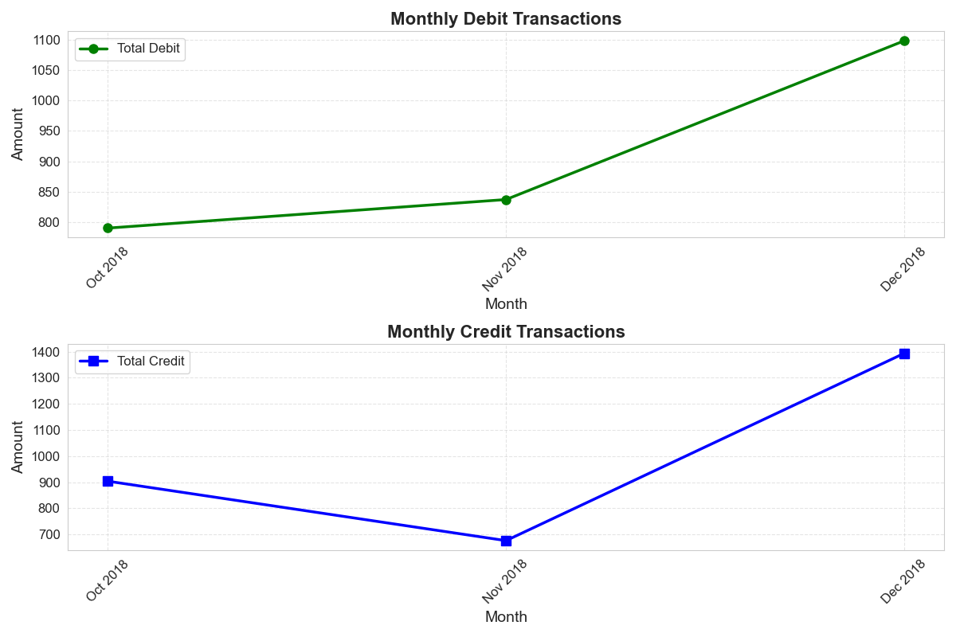
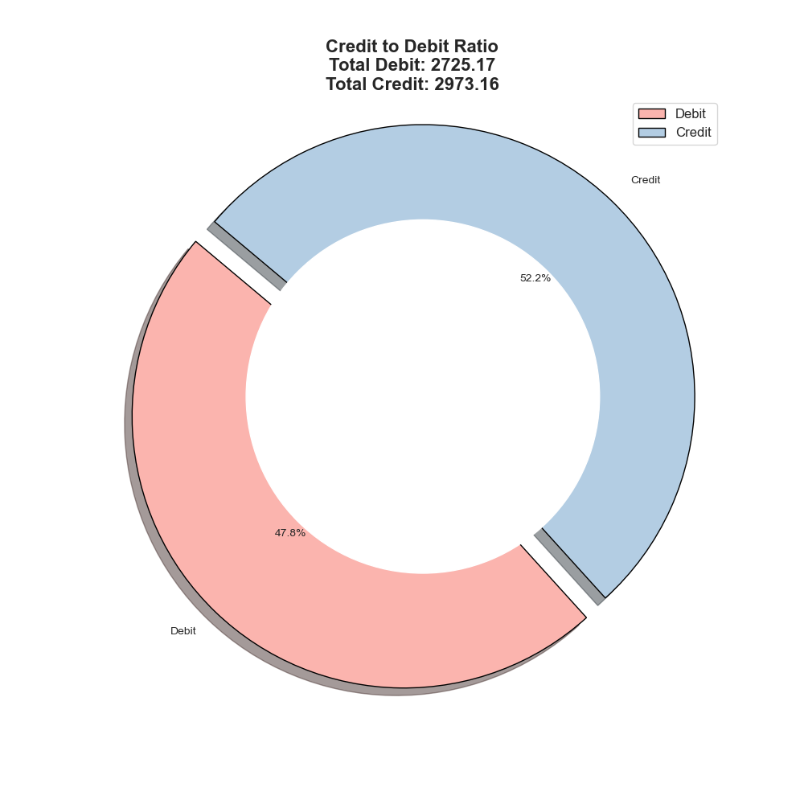
Month | Oct 2018 | Nov 2018 | Dec 2018 | Total
Total No. of Debit Transactions | 22.00 | 20.00 | 29.00 | 71.00
Total Amt. of Debit Transactions | 790.17 | 837.10 | 1,097.91 | 2,725.17
Total No. of Credit Transactions | 14.00 | 12.00 | 11.00 | 37.00
Total Amt. of Credit Transactions | 903.75 | 676.11 | 1,393.30 | 2,973.16
Max Debit Amount | 210.40 | 345.00 | 197.71 | 753.11
Max Credit Amount | 430.00 | 430.00 | 430.00 | 1,290.00
Debit:Credit Ratio | 0.87 | 1.24 | 0.79 | 0.92
Positivity (Credit > Debit) | Yes | No | Yes | Yes

Count of Transactions
Amount of Transactions

Balance Trends
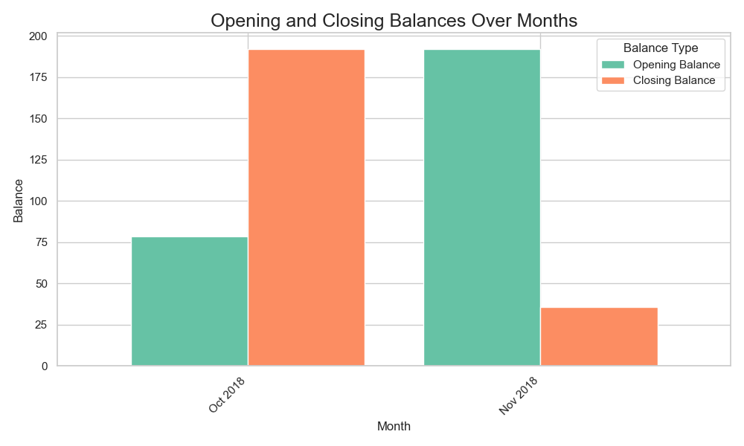
Month | Oct 2018 | Nov 2018 | Dec 2018 | Total
Opening Balance | 78.58 | 192.16 | 35.67 | 306.41
Closing Balance | 192.16 | 35.67 | 336.17 | 564.00
Highest Balance | 509.38 | 584.91 | 714.01 | 1,808.30
Lowest Balance | 3.31 | 4.92 | 24.23 | 32.46
Average Balance | 155.30 | 112.09 | 251.79 | 519.18
Monthly Percent Change | 144.54 | (81.44) | 842.35 | 84.07

Monthly Average Balance

Balance Forecast
