Transaction Summary
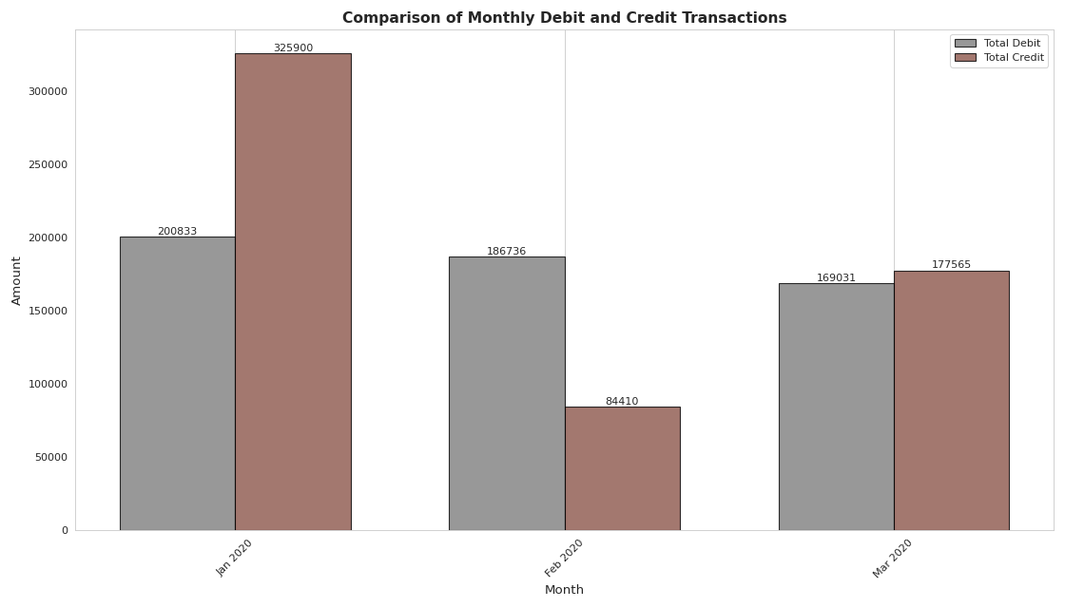
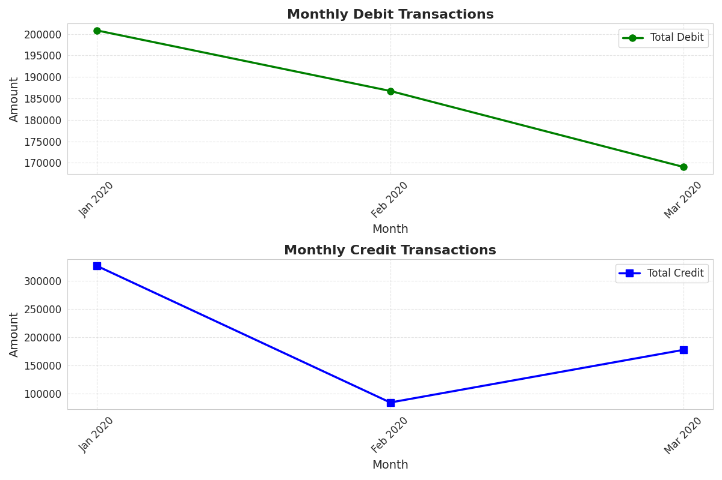
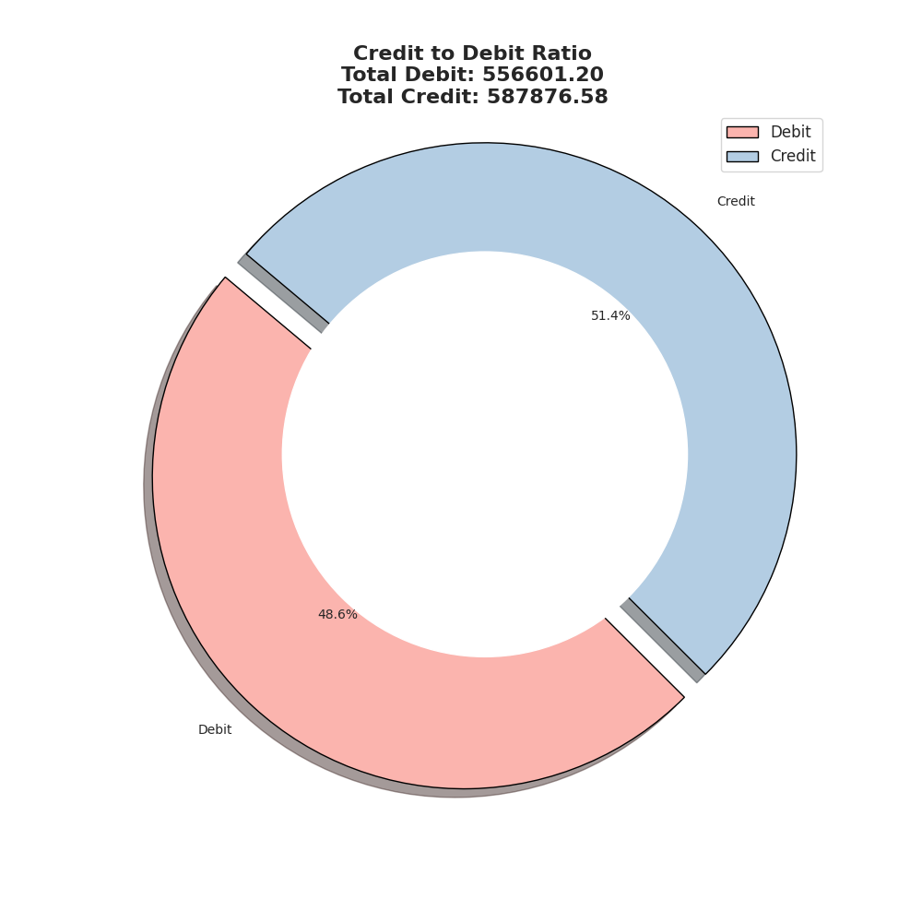
Month | Jan 2020 | Feb 2020 | Mar 2020 | Total
Total No. of Debit Transactions | 120.00 | 113.00 | 121.00 | 354.00
Total Amt. of Debit Transactions | 200,833.27 | 186,736.06 | 169,031.87 | 556,601.20
Total No. of Credit Transactions | 32.00 | 23.00 | 38.00 | 93.00
Total Amt. of Credit Transactions | 325,900.85 | 84,410.43 | 177,565.30 | 587,876.58
Max Debit Amount | 26,000.00 | 16,050.00 | 15,455.00 | 57,505.00
Max Credit Amount | 100,000.00 | 26,000.00 | 50,000.00 | 176,000.00
Debit:Credit Ratio | 0.62 | 2.21 | 0.95 | 0.95
Positivity (Credit > Debit) | Yes | No | Yes | Yes

Count of Transactions
Amount of Transactions

Balance Trends
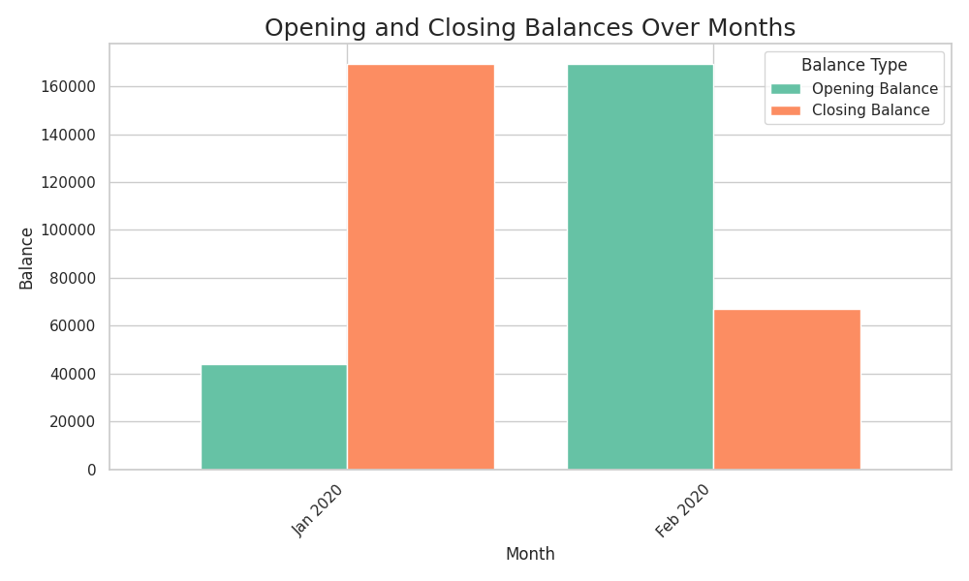
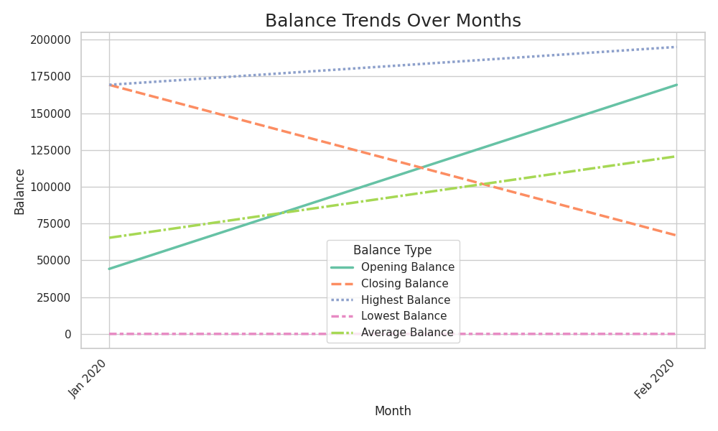
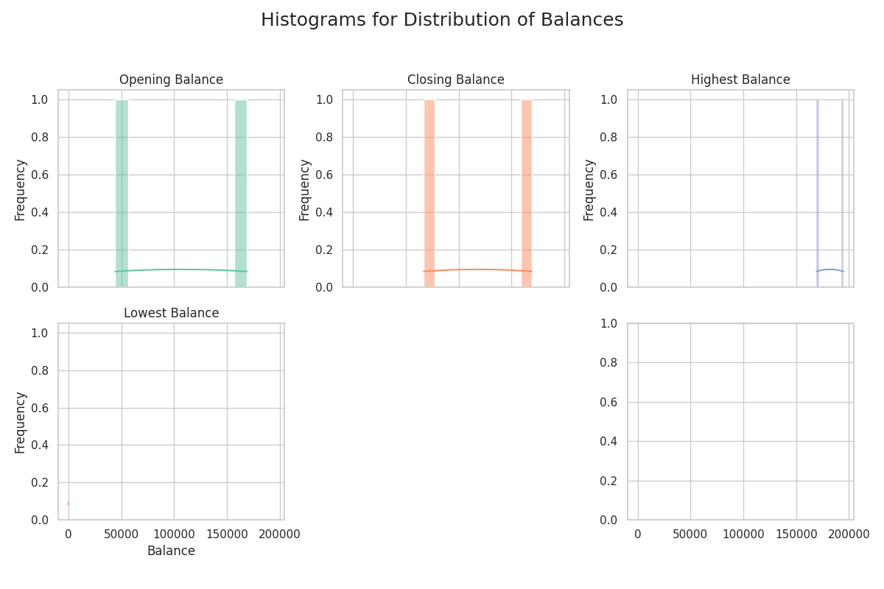
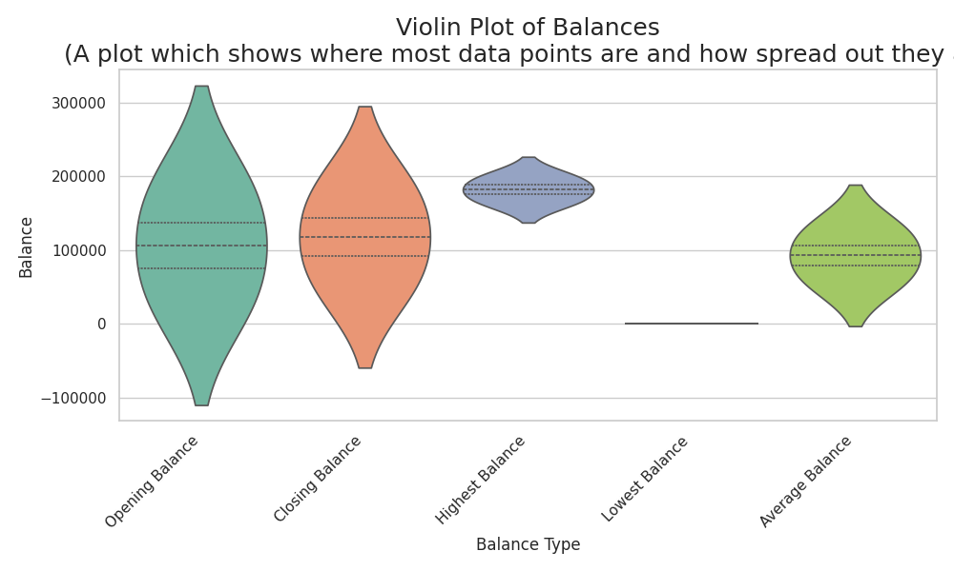
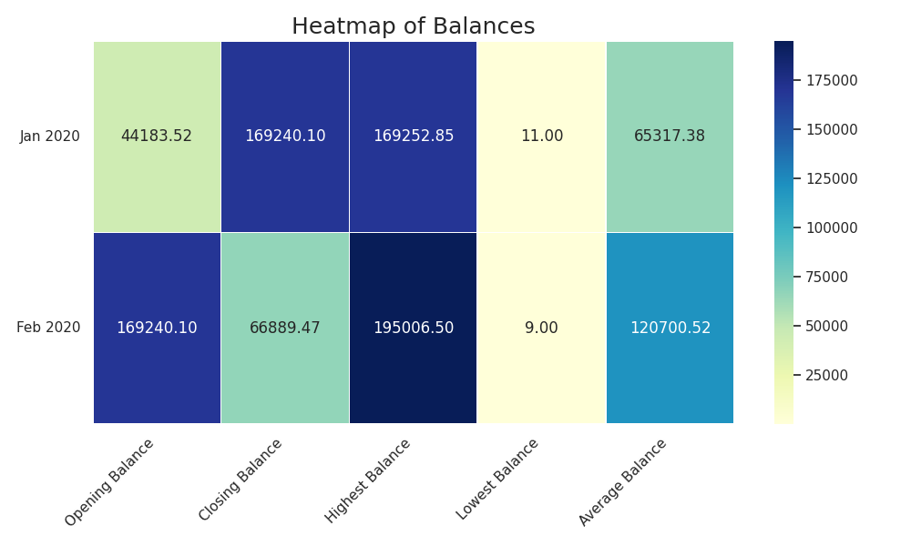
Month | Jan 2020 | Feb 2020 | Mar 2020 | Total
Opening Balance | 44,183.52 | 169,240.10 | 66,889.47 | 280,313.09
Closing Balance | 169,240.10 | 66,889.47 | 75,414.90 | 311,544.47
Highest Balance | 169,252.85 | 195,006.50 | 105,623.38 | 469,882.73
Lowest Balance | 11.00 | 9.00 | 11.00 | 31.00
Average Balance | 65,317.38 | 120,700.52 | 60,102.33 | 246,120.23
Monthly Percent Change | 283.04 | (60.48) | 12.75 | 11.14

Monthly Average Balance

